Instructions
file:///C:/Users/hattiejhenry/Downloads/Aegis%20Change%20of%20Name%20signed%20(3).pdf
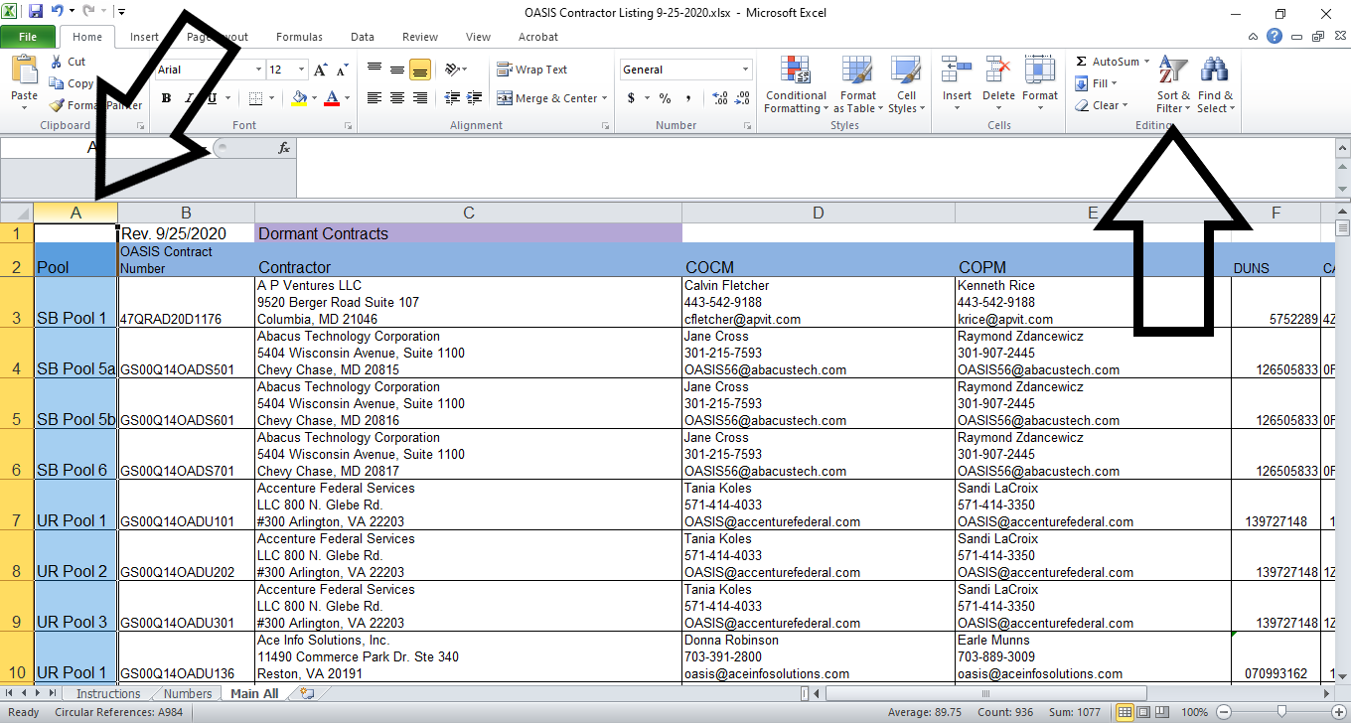
When needing to isolate indivdual Pools, please follow the following instructions:

Open All Pools tab at the bottom of the screen.

To filter by Pool(s), highlight Column A by clicking on the A Cell
Next click on the Sort & Filter function

A drop menu will appear
Click on Filter

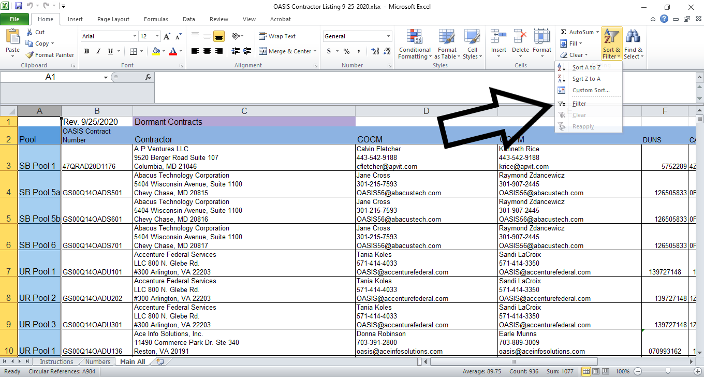

Click on the Drop Down arrow and another menu will appear
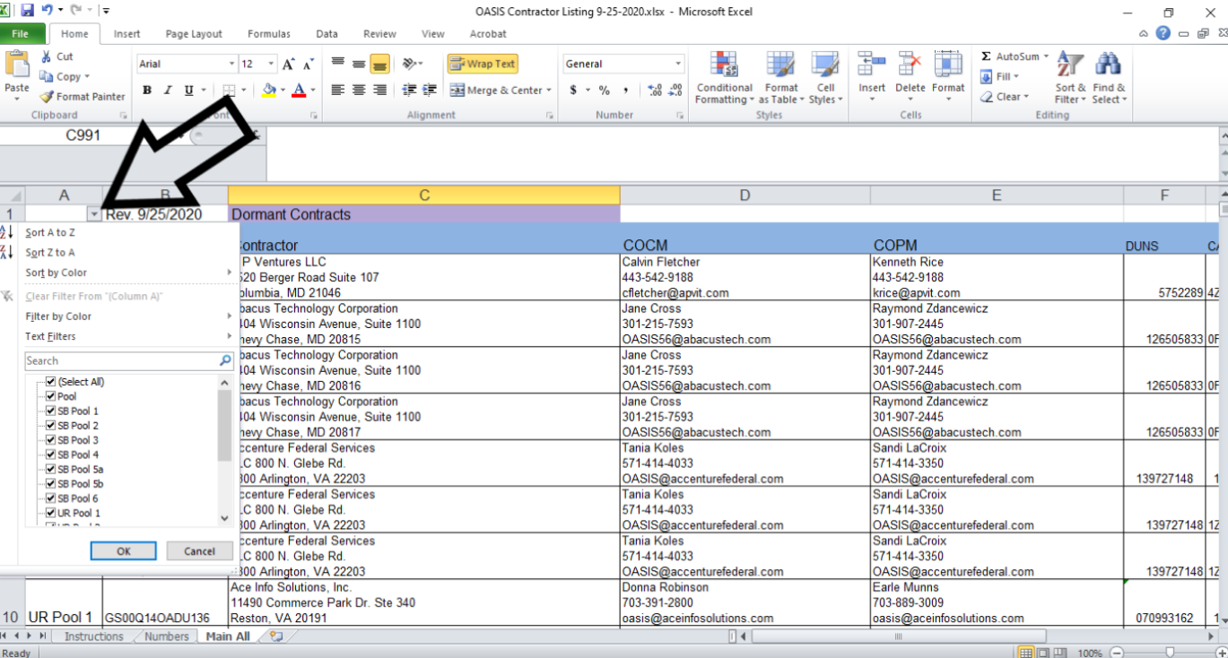

From here you can select which Pool(s) you want to view
Click OK
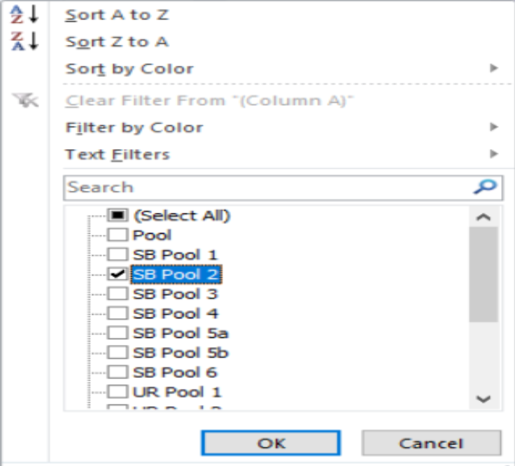

Only the selected Pools will appear

